UW Info
Quotation Ref no.: | ART-2026070209-MW
Listed Area: | Gulf of Aden/Red Sea/Indian Ocean
Estimated Date of Arrival: | 2026-07-07

Vessel Name | IMO | Role | Flag | Israeli Interest - Y/N | EU | UK | UN | US | Call Port history to Israel (For GOA/IO/Red Sea only)
MV TRAVERSE SINGAPORE | 9342865 | Bulk Carrier | Panama | No | No | No | No | No | No

Parties Involved | IMO | Role | Country Origin | Israeli Interest - Y/N | EU | UK | UN | US | Address
GOLDENKING SHIP MANAGEMENT（GUANGZHOU）CO.,LTD | 6212304 | Ship manager/Commercial manager | China | No | No | No | No | No | 106, Fengze Donglu, Nansha Xinqu, Guangzhou, Guangdong, China.
GOLDENKING SHIP MANAGEMENT（GUANGZHOU）CO.,LTD | 6212304 | Technical operator / ISM Manager | China | No | No | No | No | No | 106, Fengze Donglu, Nansha Xinqu, Guangzhou, Guangdong, China.
Traverse Shipping Co.,Ltd | 0358925 | Registered owner | China | No | No | No | No | No | C/O: Goldenking Ship Management (Guangzhou) Co Ltd 106, Fengze Donglu, Nansha Xinqu, Guangzhou, Guangdong, China.

Quotation Ref no. | Broker | Listed Area | Type of Coverage | Net rate | Premium | Bound or not
ART-2026030202-CO | 11-Lockton Companies (Hong Kong) Ltd. | Gulf of Aden/Red Sea/Indian Ocean | KNR | 0.011% | 820.00 | Bound
ART-2026030204-MW | 11-Lockton Companies (Hong Kong) Ltd. | Gulf of Aden/Red Sea/Indian Ocean | Marine Hull War | 0.028% | 2,569.00 | Bound
ART-2025110601-CO | 11-Lockton Companies (Hong Kong) Ltd. | Gulf of Aden/Red Sea/Indian Ocean | KNR | 0.01175% | 871.00 | Bound
ART-2025110602-MW | 11-Lockton Companies (Hong Kong) Ltd. | Gulf of Aden/Red Sea/Indian Ocean | Marine Hull War | 0.028% | 2,569.00 | Bound

Cargo carried on board | HS Code | Loading Port | Discharge Port | Intermediate Port | EU | UK | UN | US | Any EU/UK/US Nexus
 |  | Singapore (27/06/2026) | Ghent, Belgium (5/8/2026) | Suez Canal, Egypt (15/7/2026)
 |  |  |  | Leixoes, Portugal (25/7/2026)

EXAMPLE



Email Draft format

Search results
No sanction concerns on the vessel and all parties involved under EU/UK/US/UN sanction regime.
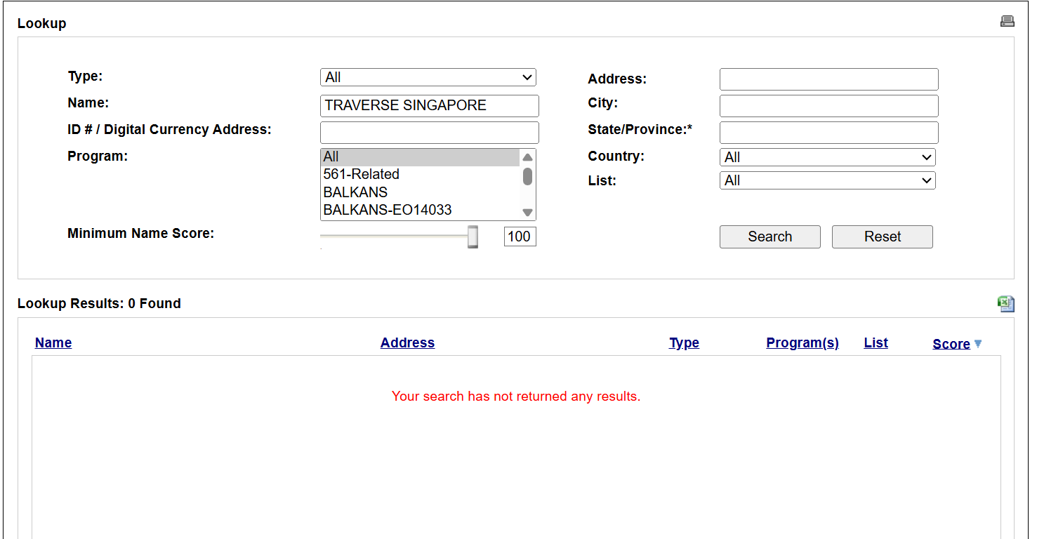
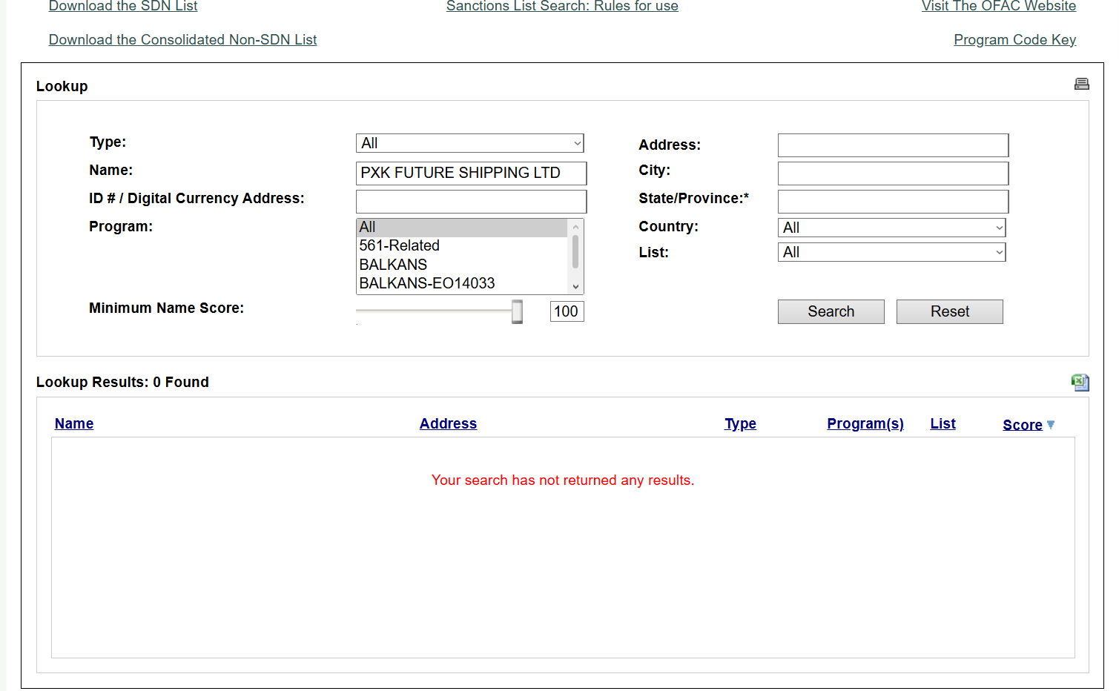
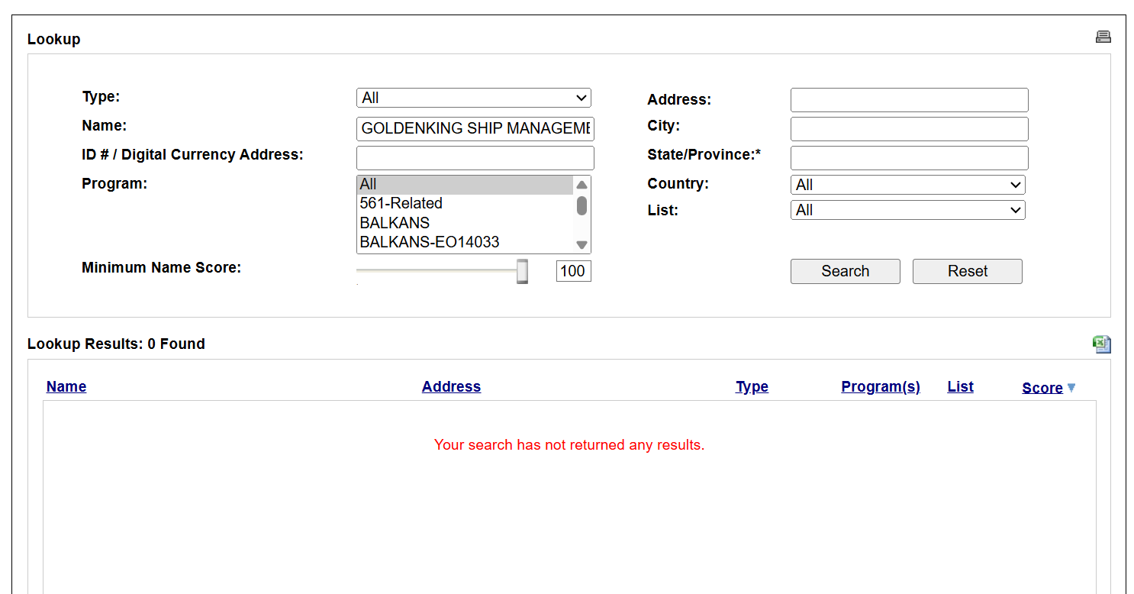
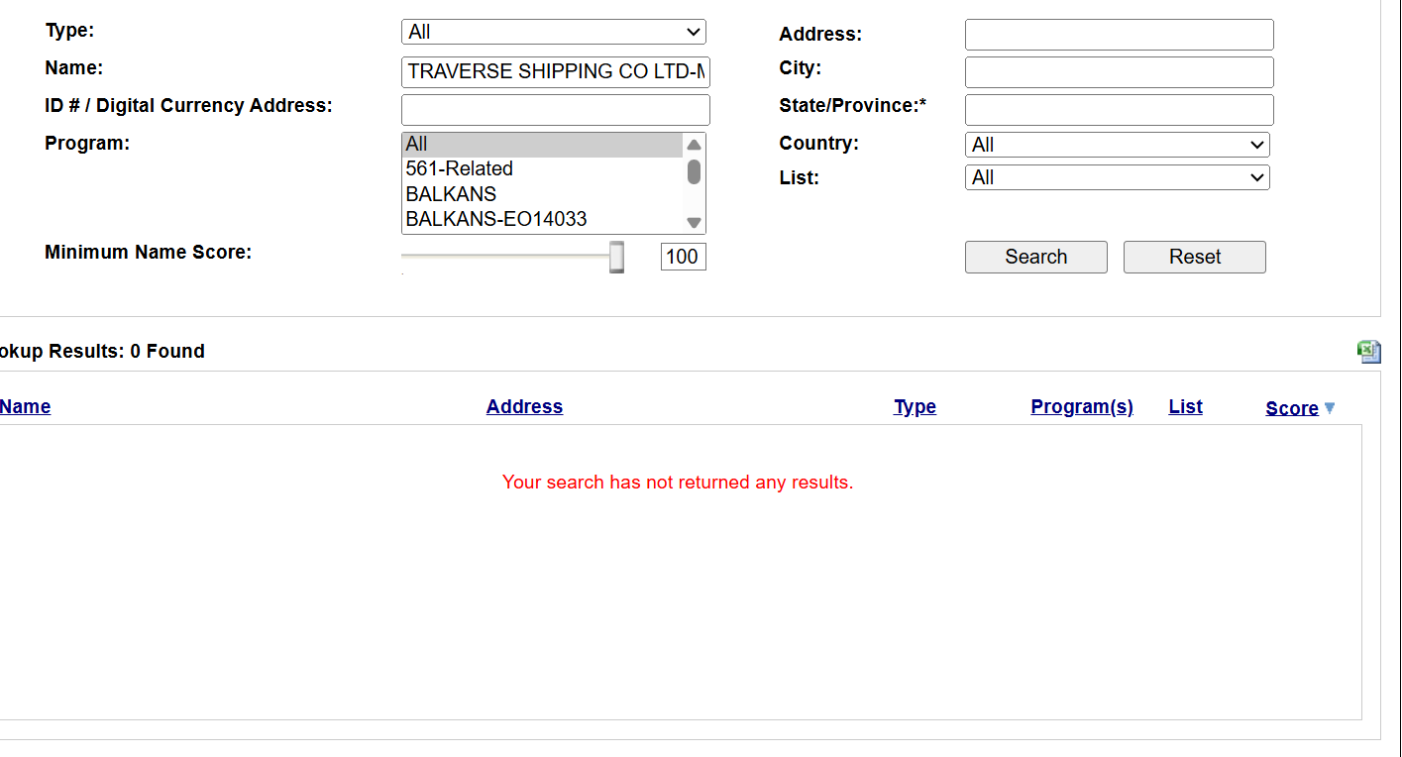
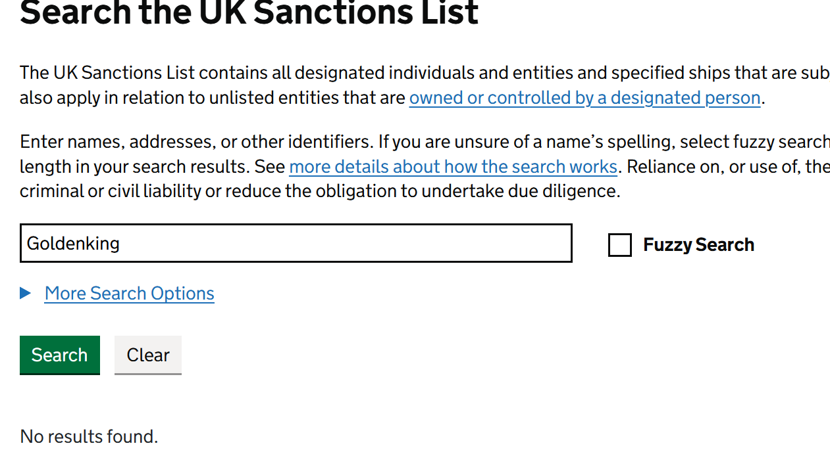
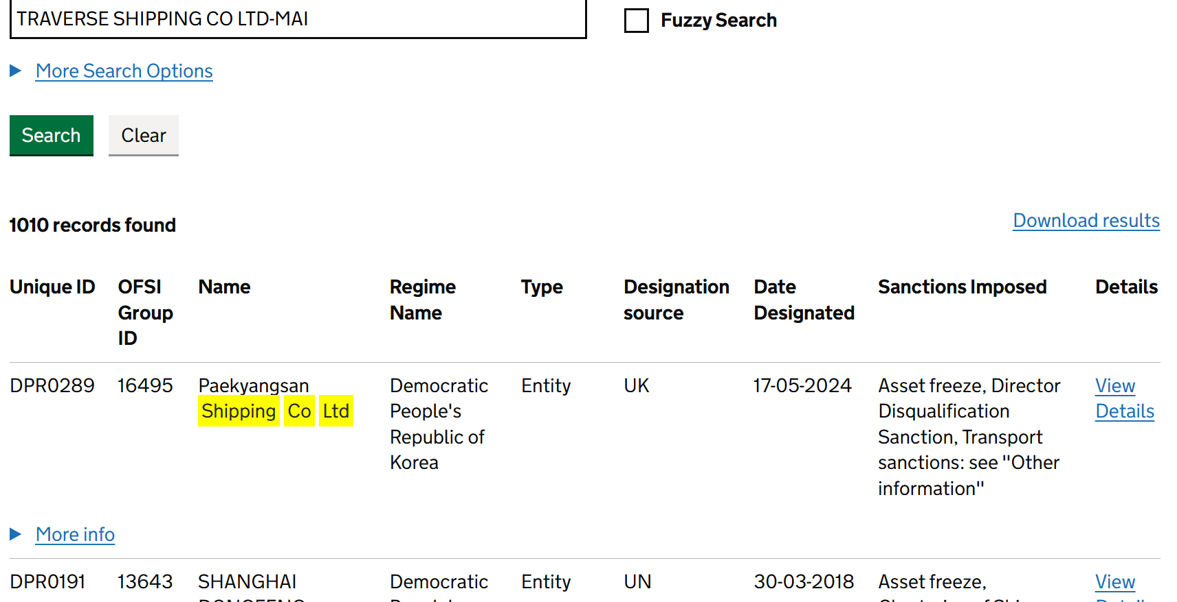
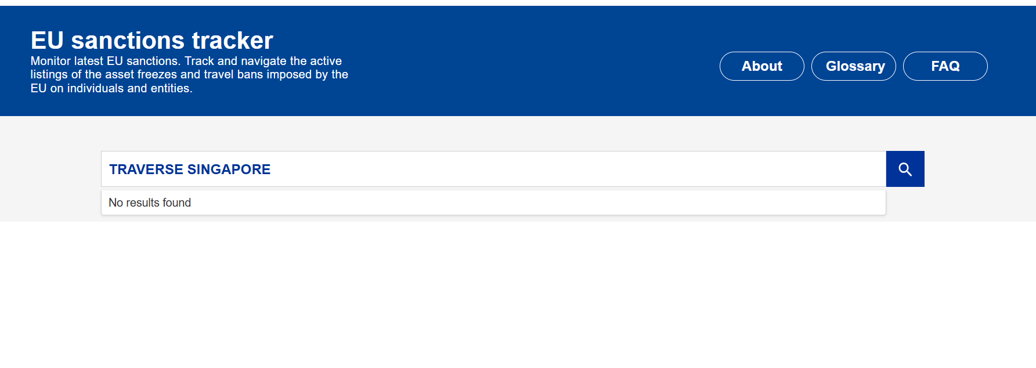
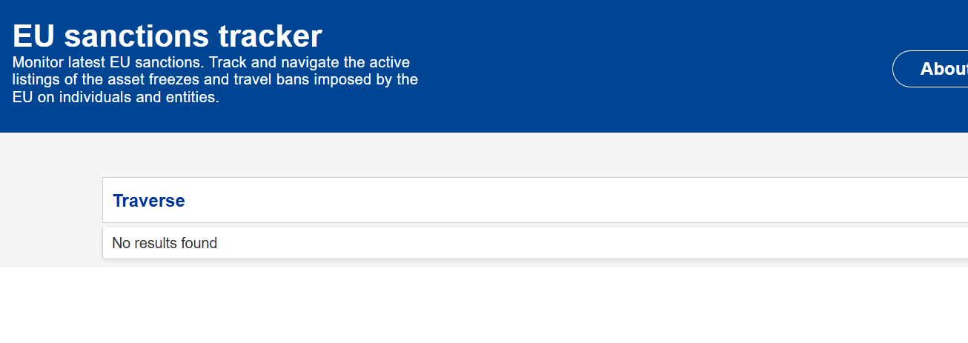
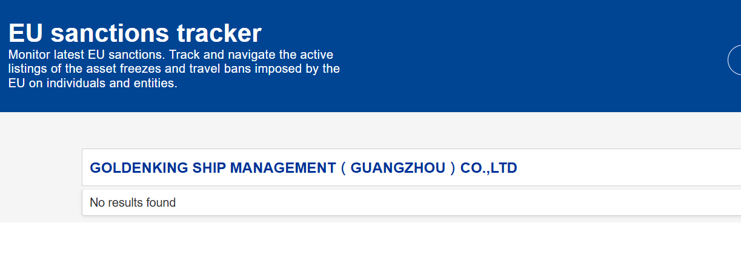
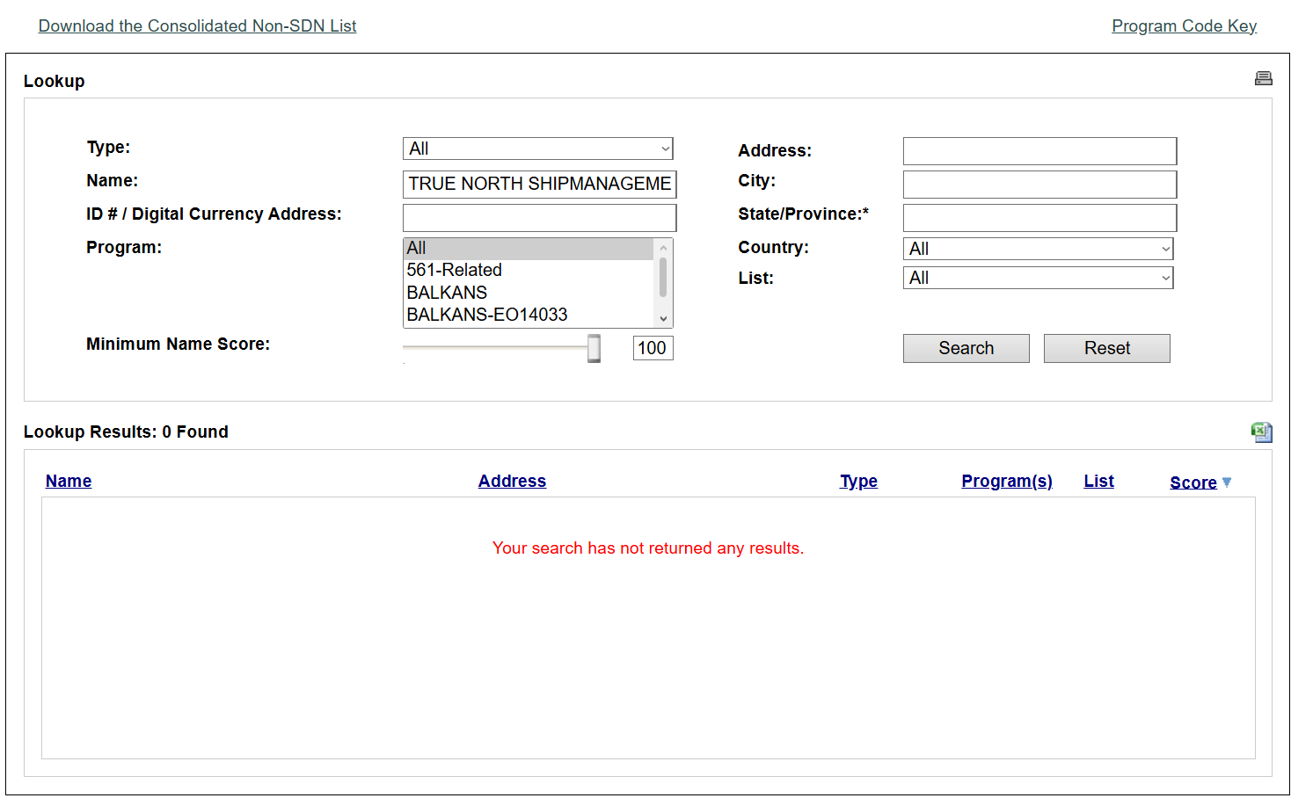
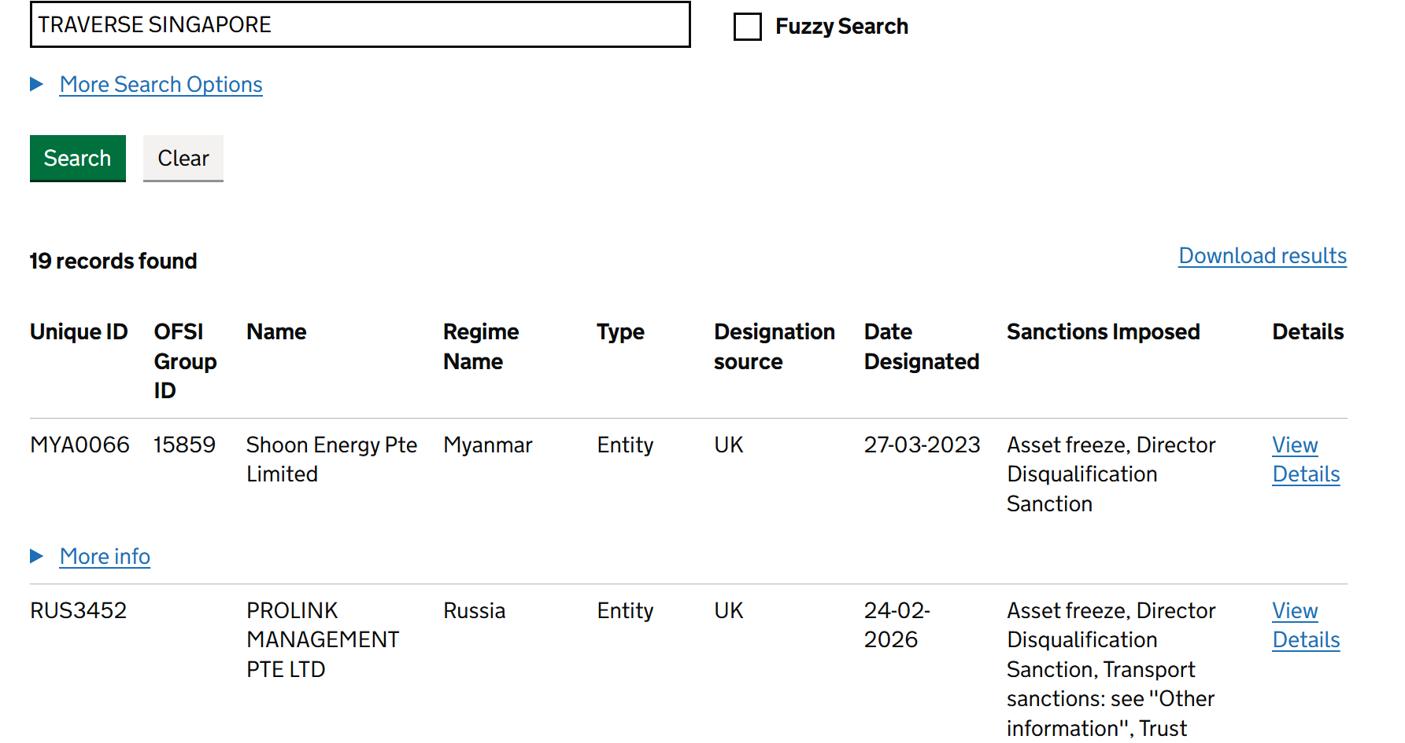
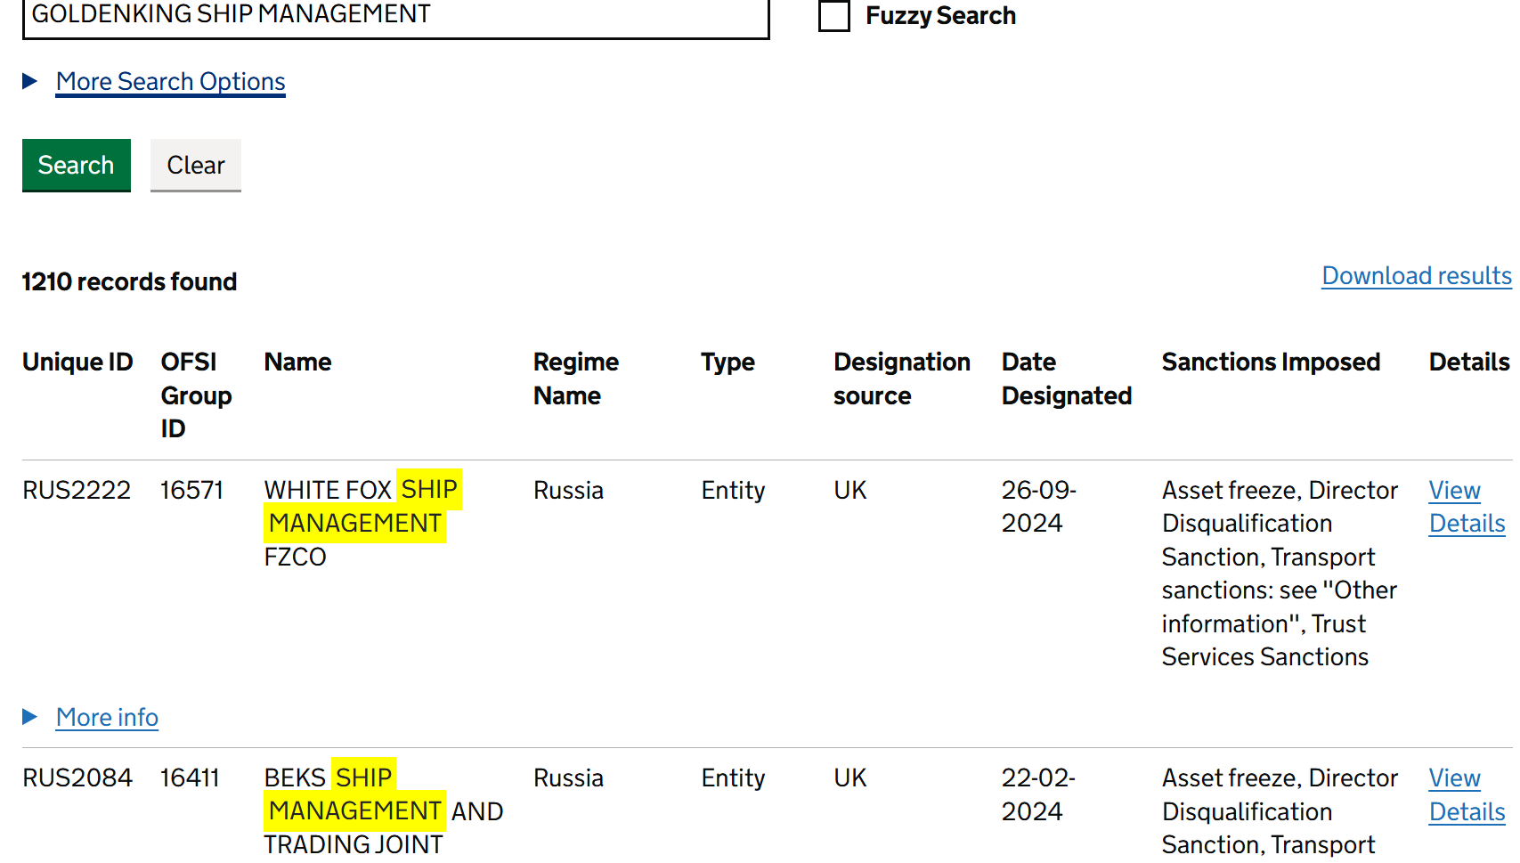
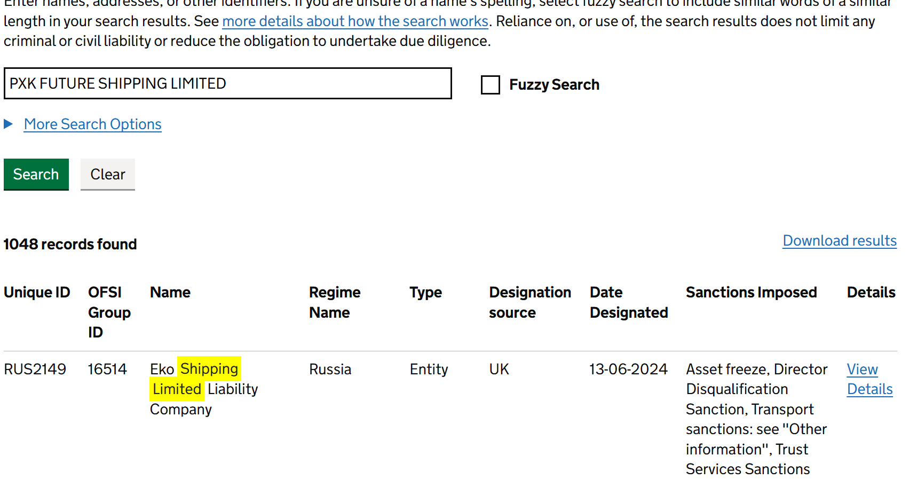
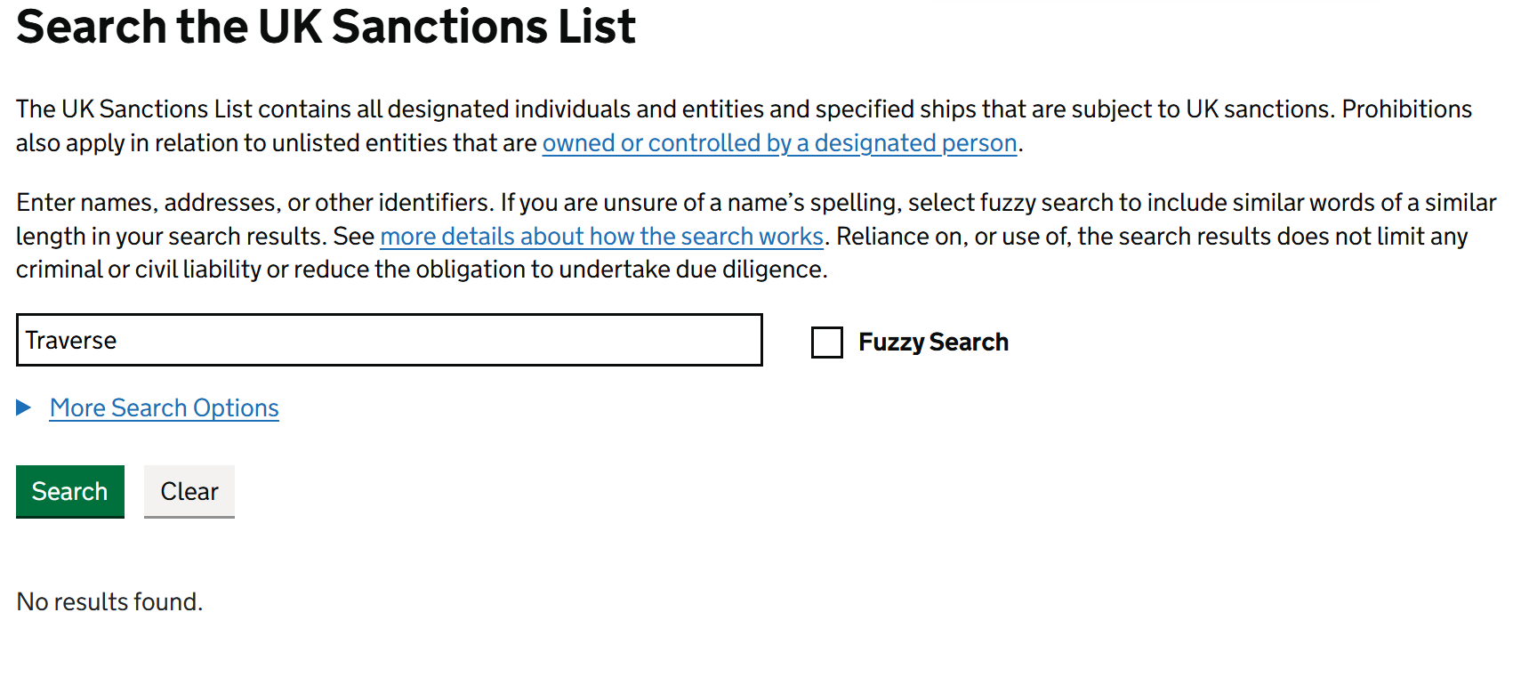
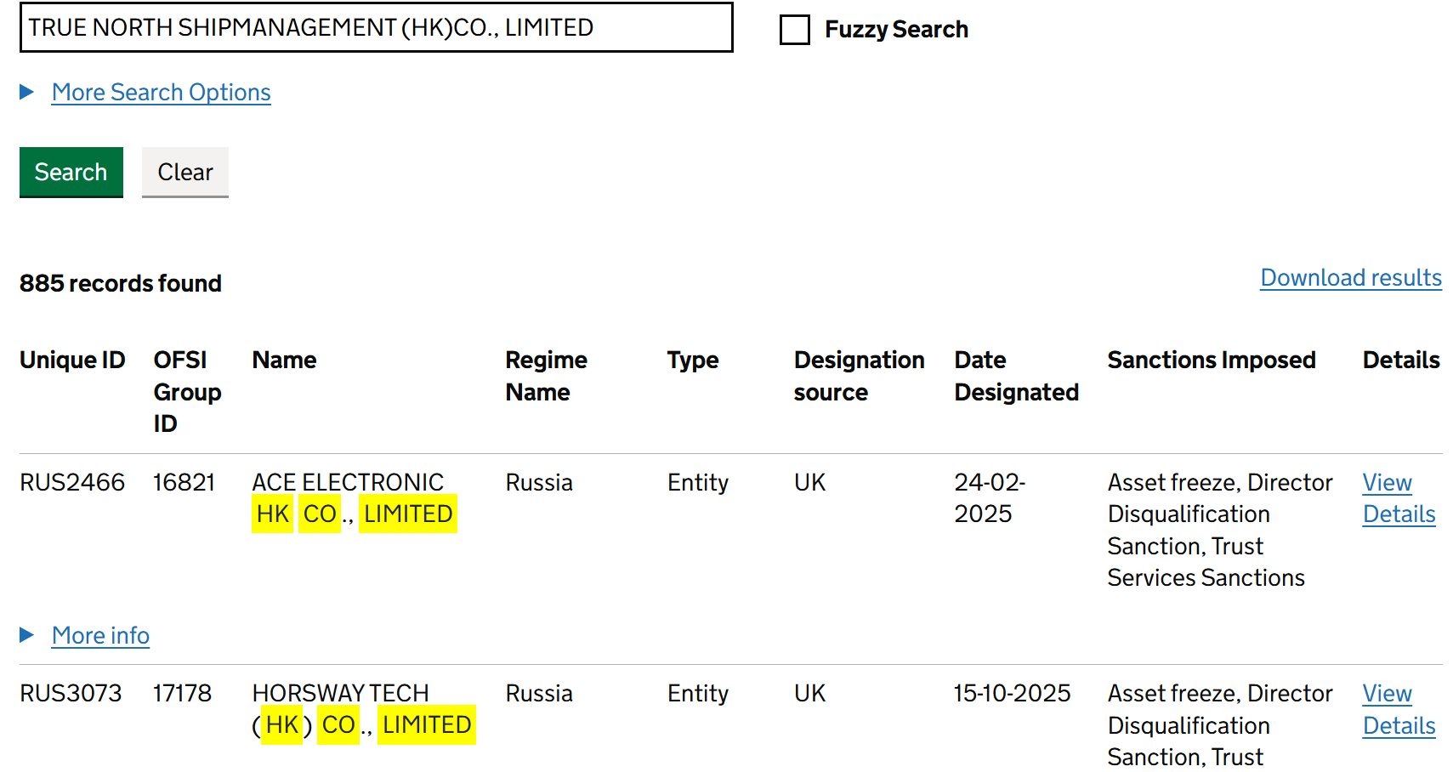

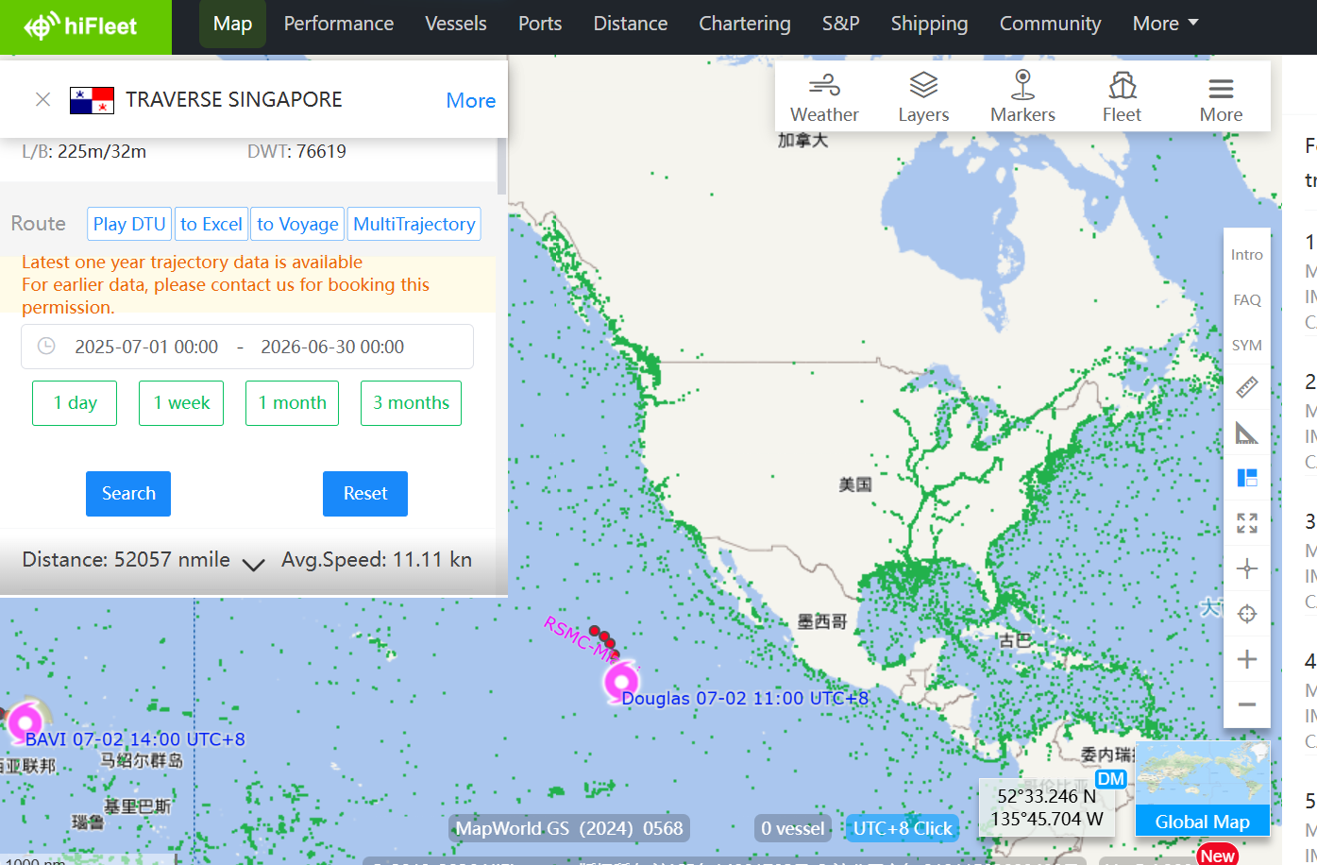
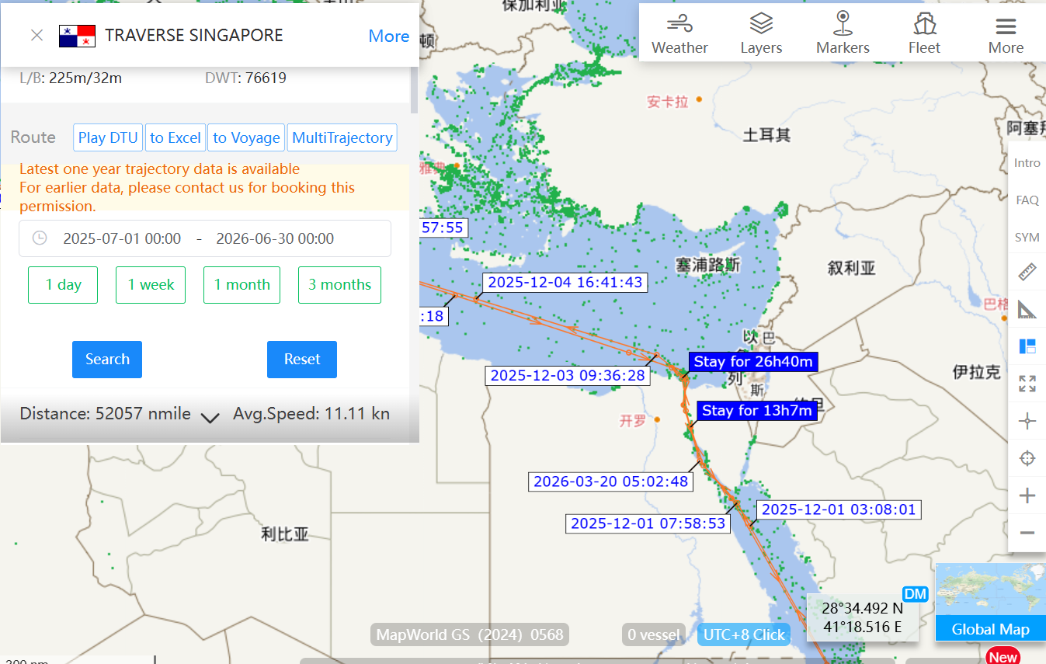
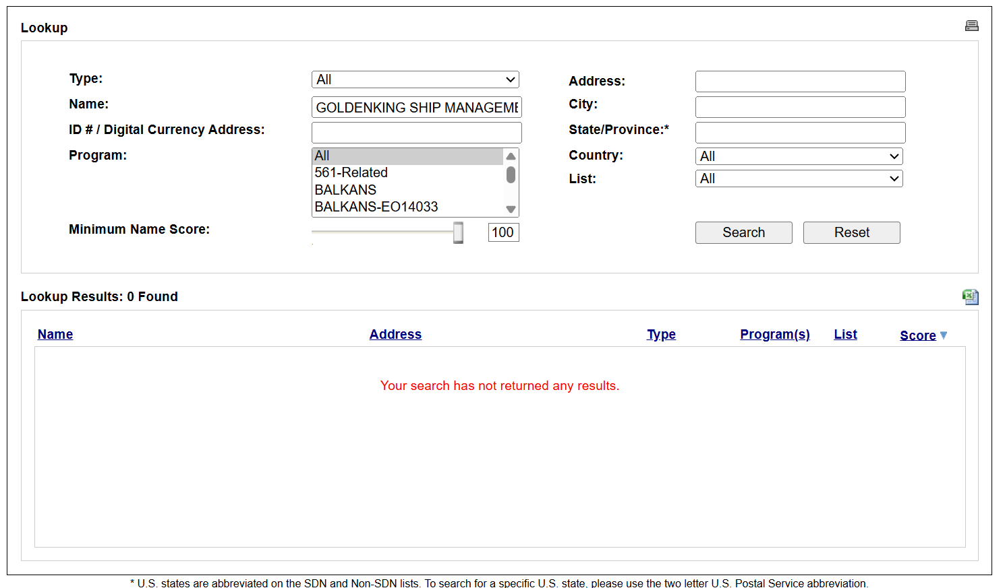
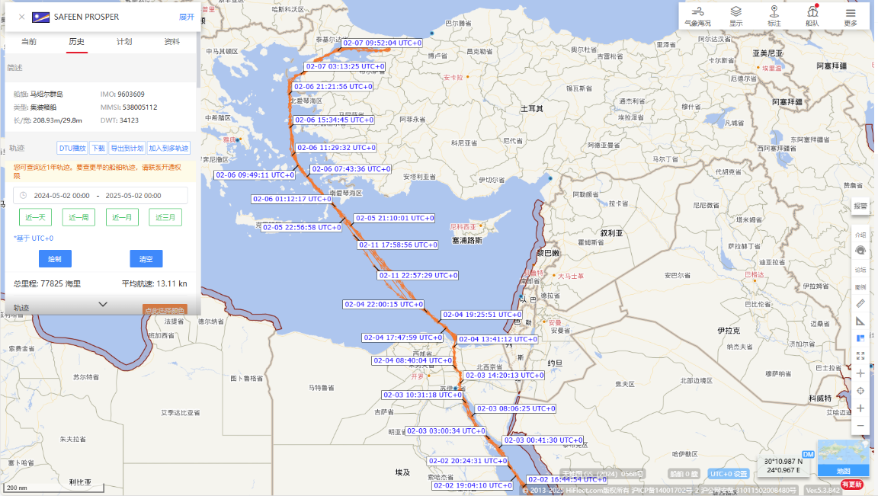
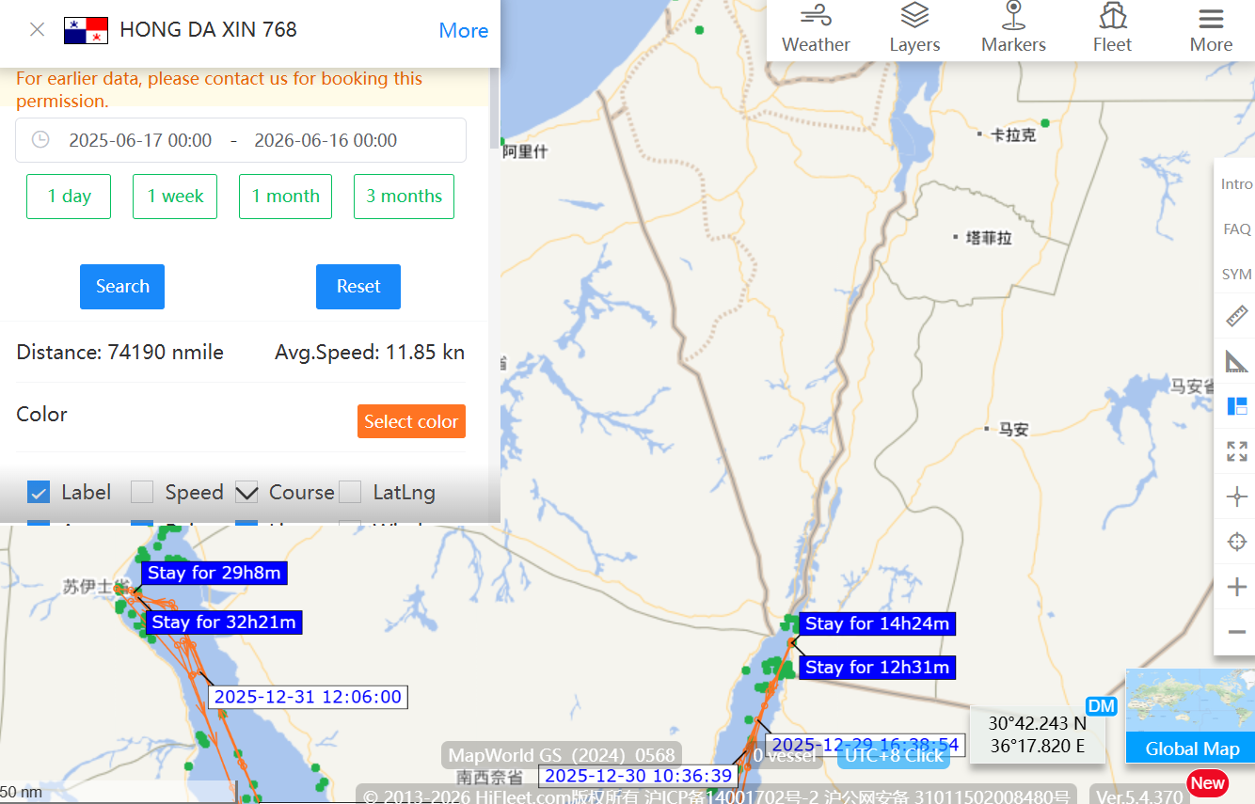
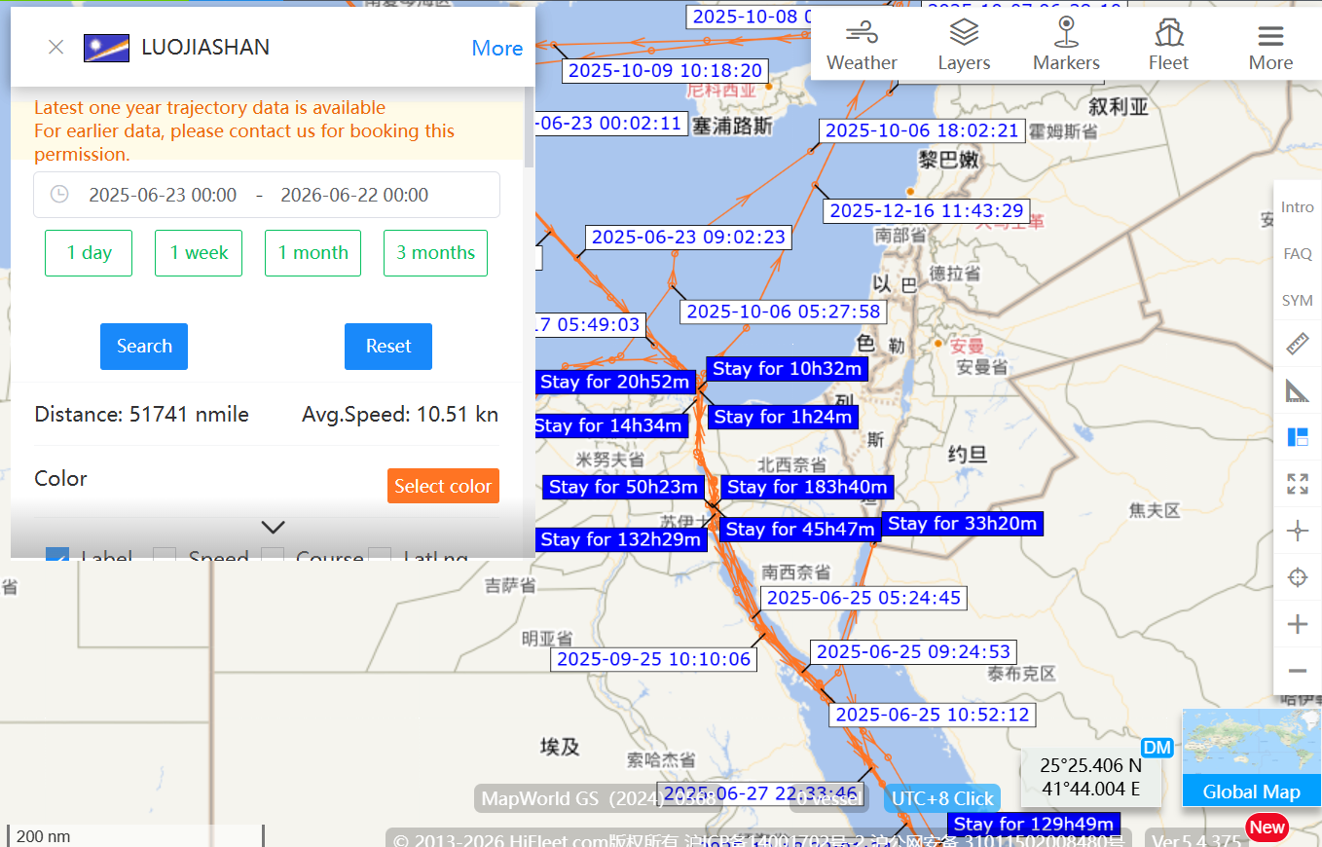
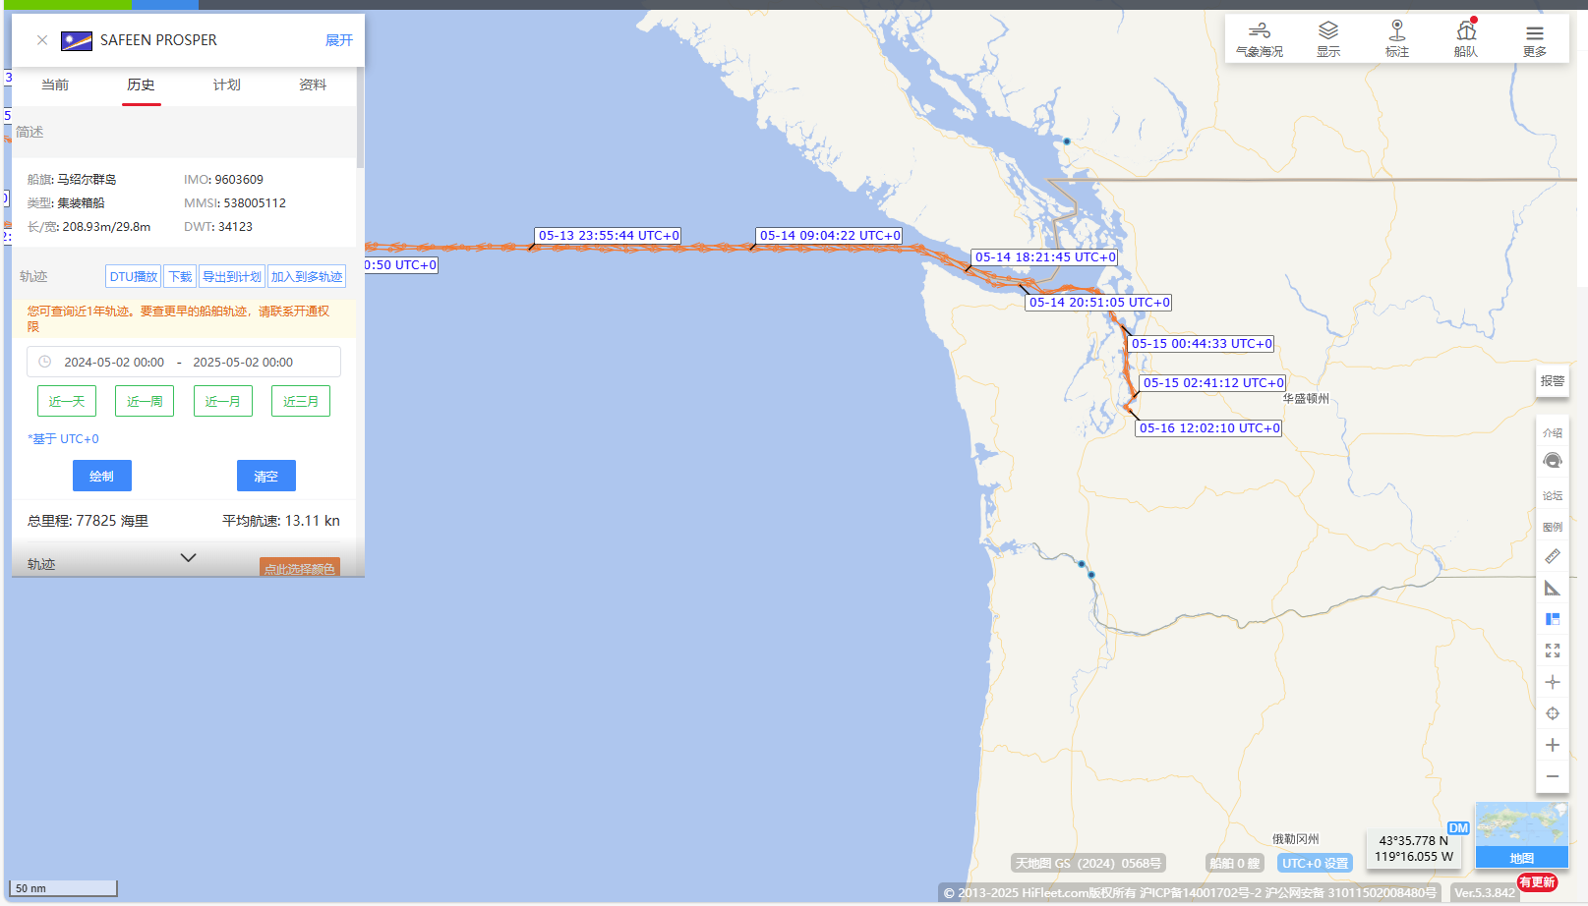
No call port history to Israel in the past 12 months from 2025-07-01 | No call port history to US in the past 12 months from 2025-07-01
 |  | IMO Number:
 |  | 9250892
 |  | 9319882 (“ATALANTA”)

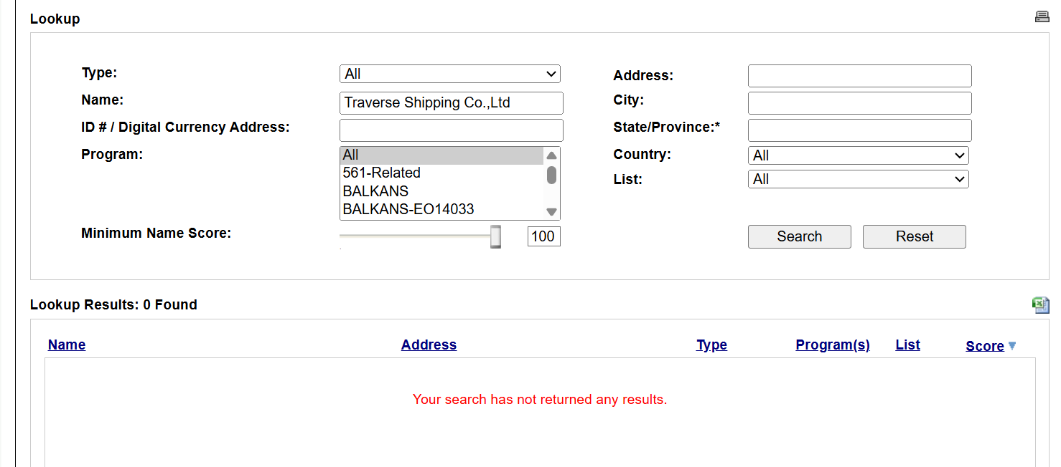

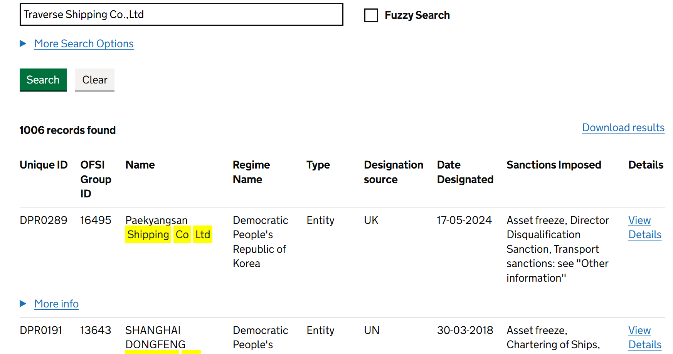

No Israeli, US and/or UK interests of the Vessel/Ownership/Management

